Adult dog plan
PET HEALTH PLAN CALCULATOR
Our Pet health plan Is a monthly plan that spreads the cost of preventative health care for your pet as well as offering discounts on long term medication, consultations and food. Below is a guide of what is included and how much you could save by joining our plan.
( See the how to use guide at the bottom of the page)
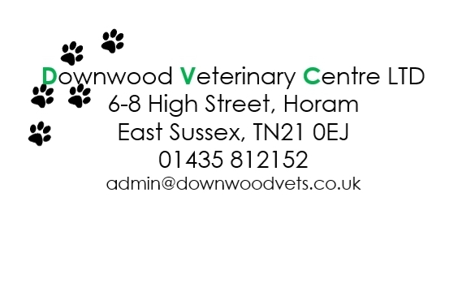
1) Use the table below to select the products included | Pay as you go | Inc in plan | Pay as you go Price
Booster Vaccine and full health check ( adult plan) | £44.92 |  | 44.92
Kennel Cough vaccine | £33.91 |  | 33.91
Monthly Nexgard chewable tablet < 3.5kg (yearly cost) | £145.20 |  | 0
Monthly Nexgard chewable tablet 3.5 - 7.5kg (yearly cost) | £157.08 |  | 0
Monthly Nexgard chewable tablet 7.5 - 15kg (yearly cost) | £179.28 |  | 0
Monthly Nexgard chewable tablet 15-30kg (yearly cost) | £206.88 |  | 206.88
Monthly Nexgard chewable tablet >30kg (yearly cost) | £242.76 |  | 0
Droncit tapewormer tablet <10kg ( twice yearly) | £8.98 |  | 0
Droncit tapewormer tablet 10 - 20kg (yearly cost) | £14.38 |  | 14.38
Droncit tapewormer tablet 20-30kg (yearly cost) | £19.78 |  | 0
Droncit tapewormer tablet 40kg (yearly cost) | £25.18 |  | 0
Droncit tapewormer tablet 50kg (yearly cost) | £30.58 |  | 0
1 x 6 month check (RVN) | £15.32 |  | 15.32
Savings |  | 192 | 315.41
ANNUAL SAVING ( £ ) |  |  | 123.41

2) Now choose your plan | Monthly Price |  | Yearly Price (£)
Adult small < 10kg | £14.45 |  | 0
Adult medium 10-25kg | £16.00 |  | 192
Adult large 25-40kg | £17.70 |  | 0
Adult X Large >40kg | £23.85 |  | 0

HOW TO USE THIS PRICE COMPARISON
1) Check the vaccine boxes
2) Select the nexgard weight suitable for your dog and check the box ( Yearly flea, tick, roundworm and lungworm prevention tablets)
3) Select the droncit tablet for your dog's weight, check the box
4) Ensure the 6 monthy VN Check is ticked
NEXT
Choose the plan based on the expected adult weight of your dog)
Additional savings of being a member
10% off routine consultations
10% off neutering
10% off routine dental scaling
10% off in house blood tests
10% off food
10% off accessories from our stand
10% off long term medication (from month 3)
Free insurance processing fee (saving £18.00)

Puppy dog plan
PET HEALTH PLAN CALCULATOR
Our Pet health plan Is a monthly plan that spreads the cost of preventative health care for your pet as well as offering discounts on long term medication, consultations and food. Below is a guide of what is included and how much you could save by joining our plan.
STEP ONE Use the table below to select the products included | Pay as you go | Inc in plan | Pay as you go Price £
Primary Vaccinations course of 2 injectons inc full health check ( Puppy plan / unvaccinated dogs) | £74.59 |  | 74.59
Kennel Cough vaccine | £33.91 |  | 33.91
Monthly Nexgard chewable tablet < 3.5kg (yearly cost) | £145.20 |  | 145.2
Monthly Nexgard chewable tablet 3.5 - 7.5kg (yearly cost) | £157.08 |  | 0
Monthly Nexgard chewable tablet 7.5 - 15kg (yearly cost) | £179.28 |  | 0
Monthly Nexgard chewable tablet 15-30kg (yearly cost) | £206.88 |  | 0
Monthly Nexgard chewable tablet >30kg (yearly cost) | £242.76 |  | 0
Droncit tapewormer tablet <10kg ( twice yearly) | £8.98 |  | 8.98
Droncit tapewormer tablet 10 - 20kg (yearly cost) | £14.38 |  | 0
Droncit tapewormer tablet 20-30kg (yearly cost) | £19.78 |  | 0
Droncit tapewormer tablet 40kg (yearly cost) | £25.18 |  | 0
Droncit tapewormer tablet 50kg (yearly cost) | £30.58 |  | 0
1 x 6 month check (RVN) | £15.32 |  | 0
Savings |  | 419.4 | 262.68
ANNUAL SAVING £ |  |  | -156.72

STEP TWO Choose your plan - expected adult size | Monthly Price |  | Yearly Price (£)
Puppy small < 10kg | £15.85 |  | 190.2
Puppy medium 10.1- 25kg | £17.40 |  | 0
Puppy large 25.1- 40kg | £19.10 |  | 229.2
Puppy X Large >40kg | £306.60 |  | 0

HOW TO USE THIS PRICE COMPARISON
1) Check the vaccine boxes
2) Select the nexgard weight suitable for your dog and check the box ( Yearly flea, tick, roundworm and lungworm prevention tablets)
3) Select the droncit tablet for your dog's weight, check the box
4) Ensure the 6 monthy VN Check is ticked
NEXT
Choose the plan based on the expected adult weight of your dog)

